Historical Financials
...
FY21 | FY22 | FY23 | FY24e | FY25e
26% | (97%) | (100%) | n/a | n/a
58% | 39% | 90% | 59% | 17%
...
 | Revenue | EBIT
FY16 | 505 | (286)
FY17 | 1,744 | (586)
FY18 | 13,120 | (10,800)
FY19 | 30,142 | (8,538)
FY20 | 59,492 | (9,380)
FY21 | 93,950 | 6,897
FY22 | 130,558 | 30,402
FY23 | 247,639 | 58,699
FY24e | 393,096 | 104,375
...
FY21 | FY22 | FY23 | FY24e | FY25e
1,485 | 1,816 | 2,266 | 2,683 | 3,066
49% | 22% | 25% | 18% | 14%
...
FY21 | FY22 | FY23 | FY24e | FY25e
4.9% | 5.7% | 6.8% | 7.4% | 7.3%
2% | 16% | 20% | 9% | (1%)
...
FY21 | FY22 | FY23 | FY24e | FY25e
62,258 | 99,129 | 156,048 | 245,249 | 273,529
55% | 59% | 57% | 57% | 12%
66.3% | 75.9% | 63.0% | 62.4% | 59.7%

43,190 | 52,185 | 79,835 | 117,586 | 153,278
6,649 | 7,863 | 8,649 | 9,919 | 12,600
748 | 961 | 1,786 | 2,712 | 3,650
50,587 | 61,009 | 90,271 | 130,217 | 169,528
...
FY21 | FY22 | FY23 | FY24e | FY25e
8% | 21% | 53% | 47% | 30%
24% | 18% | 10% | 15% | 27%
39% | 28% | 86% | 52% | 35%
10% | 21% | 48% | 44% | 30%
...
FY21 | FY22 | FY23 | FY24e | FY25e
46.0% | 40.0% | 32.2% | 29.9% | 33.4%
7.1% | 6.0% | 3.5% | 2.5% | 2.7%
0.8% | 0.7% | 0.7% | 0.7% | 0.8%
53.8% | 46.7% | 36.5% | 33.1% | 37.0%

11,671 | 38,120 | 65,778 | 115,032 | 104,002
...
 |  | FY23 | FY24e | FY25e
 |  | 3,738 | 2,646 | 2,000
 |  | 72,675 | 127,341 | 114,702
 |  | (11,850) | (19,241) | (17,205)
 |  | (5) | (150) | (200)
 |  | 60,820 | 107,951 | 97,296
 |  | 1,460 | 1,478 | 1,477
 |  | 41.66 | 73.03 | 65.85
 |  | 89% | 75% | (10%)
 |  | 67,899 | 118,608 | 110,730
 |  | 46.51 | 80.23 | 74.95
Financial Profile
 | Revenue | EBITDA - Capex
FY16 | 505 | (288)
FY17 | 1,744 | (592)
FY18 | 13,120 | (10,330)
FY19 | 30,142 | (7,928)
FY20 | 59,492 | (8,772)
FY21 | 93,950 | 5,105
FY22 | 130,558 | 31,990
FY23 | 247,639 | 58,901
FY24e | 393,096 | 103,485
 |  | 16% | 15% | 15%
...
 |  | FY23 | FY24e | FY25e
 |  | 58,699 | 104,375 | 92,702
 |  | 786 | 1,839 | 2,065
 |  | 59,485 | 106,213 | 94,767
 |  | 82% | 79% | (11%)
 |  | 24.0% | 27.0% | 20.7%
 |  | 2.5% | 3.6% | 2.8%

 |  | (584) | (2,728) | (3,063)
 |  | 58,901 | 103,485 | 91,704
 |  | 84% | 76% | (11%)
 |  | 23.8% | 26.3% | 20.0%
 |  | 2.5% | 3.5% | 2.7%

 |  | 10,238 | 20,320 | 20,000
 |  | 3,738 | 2,646 | 2,000
 |  | (11,850) | (19,241) | (17,205)
 |  | (5) | (150) | (200)
 |  | 61,023 | 107,062 | 96,298

 |  | 7,079 | 7,479 | -
 |  | 25,477 | 10,000 | 10,000
 |  | 93,579 | 124,541 | 106,298 | 132,640.51
 |  | 138% | 105% | 96% | 18,172.17
...
 |  | FY23 | FY24e | FY25e
 |  | - | - | -
...
 |  | FY23 | FY24e | FY25e
 |  | 5,880 | 5,176 | 5,176
 |  | 217,210 | 341,046 | 447,345
 |  | (211,330) | (335,871) | (442,169)
 |  | (217,210) | (341,046) | (447,345)
...

Offshore Cash_Int Income
...
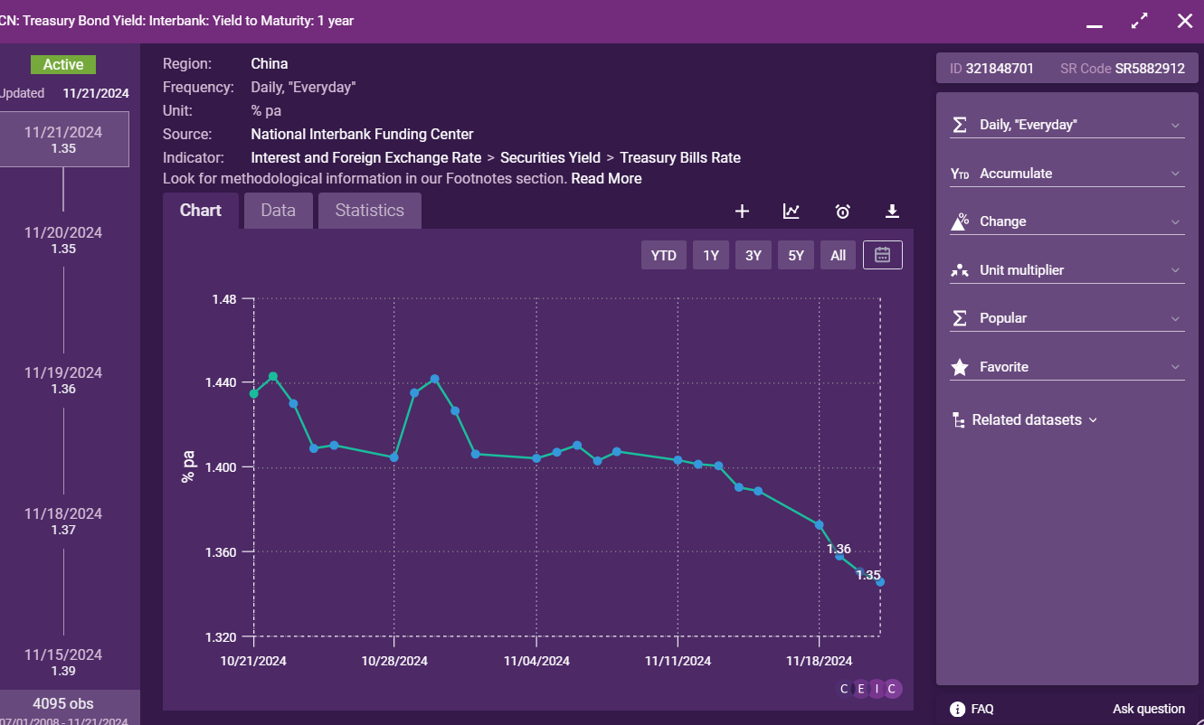
1.59% | 1.85% | 1.65% | 1.49% | 1.40%
1.66% | 2.22% | 1.73% | 1.55% | 1.44%
1.90% | 2.32% | 1.85% | 1.60% | 1.48%
1.87% | 2.26% | 1.88% | 1.63% | 1.46%
1.92% | 2.26% | 1.91% | 1.65% | 1.47%
1.88% | 2.27% | 1.88% | 1.63% | 1.46%
- | - | - | - | -
1.88% | 2.27% | 1.88% | 1.63% | 1.46%

5.49% | 5.55% | 5.51% | 5.48% | 5.36%
5.54% | 5.52% | 5.45% | 5.47% | 5.23%
5.53% | 5.45% | 5.28% | 5.39% | 4.93%
5.39% | 5.23% | 4.90% | 5.14% | 4.46%
5.48% | 5.35% | 5.07% | 5.24% | 4.64%
- | - | - | - | -
5.48% | 5.35% | 5.07% | 5.24% | 4.64%
...
1.5 | 1.5 | 1.5 | 1.5 | 1.5
7.5 | 7.5 | 7.5 | 7.5 | 7.5
33.6 | 32.0 | 32.0 | 32.0 | 32.0
8.1 | 8.7 | 9.3 | 9.7 | 9.7
...
1.88% | 2.27% | 1.88% | 1.63% | 1.46%
5.48% | 5.35% | 5.07% | 5.24% | 4.64%
3.08% | 5.61% | 5.96% | 5.10% | 5.07%
...
67% | (9%) | (28%) | 4% | (13%)
33% | 109% | 128% | 96% | 113%
100% | 100% | 100% | 100% | 100%
...
1.99% | 2.07% | 2.00% | 1.91% | 1.81%
5.01% | 5.20% | 5.26% | 5.29% | 5.08%
3.02% | 3.78% | 4.61% | 4.94% | 5.43%
...
66% | 45% | 20% | 10% | (11%)
34% | 55% | 80% | 90% | 111%
100% | 100% | 100% | 100% | 100%

Sheet1
...
Sequential Change
Non-GAAP EBIT |  | 6,359 | 75 | 5,139 | (4,723) | 6,864 | 1,760 | (701) | (3,138) | 6,147 | 3,516 | 6,454 | 3,972 | 6,435 | (8,217)

Memo:
OMS Revenue | 14,111 | 18,080 | 17,946 | 22,425 | 18,158 | 25,173 | 28,426 | 30,965 | 27,244 | 37,933 | 39,688 | 48,676 | 42,456 | 49,116 | 49,351
Sequential Change |  | 3,969 | (134) | 4,479 | (4,267) | 7,014 | 3,253 | 2,540 | (3,721) | 10,688 | 1,755 | 8,988 | (6,219) | 6,660 | 235

Income Tax Expense | - | - | 855 | 1,079 | 565 | 1,558 | 1,537 | 1,066 | 1,598 | 3,158 | 3,513 | 3,580 | 5,068 | 5,915 | 4,202
Sequential Change |  | - | 855 | 224 | (514) | 993 | (21) | (472) | 532 | 1,561 | 355 | 67 | 1,488 | 847 | (1,713)

China Profitability vs. Income Taxes
3Q21 | (134) | 75 | 855
4Q21 | 4,479 | 5,139 | 224
1Q22 | (4,267) | (4,723) | (514)
2Q22 | 7,014 | 6,864 | 993
3Q22 | 3,253 | 3,830 | (21)
4Q22 | 2,540 | 167 | (472)
1Q23 | (3,721) | (1,928) | 532
2Q23 | 10,688 | 8,757 | 1,561
3Q23 | 1,755 | 3,471 | 355
4Q23 | 8,988 | 7,579 | 67
1Q24 | (6,219) | (939) | 1,488
2Q24 | 6,660 | 5,936 | 847
3Q24 | 235 | (6,885) | (1,713)

Pre-Temu Period

OTR
...
BDA/CRC

BDA/CRC Net GMV Y/Y Growth | 110% | 39% | 36% | 21% | 19% | 15% | 24% | 18% | 25% | 30% | 21% | 25% | 22% | 18% | 19% | 17%
BDA/CRCCRC Net Take Rate % | 5.3% | 5.6% | 5.2% | 5.6% | 5.6% | 7.0% | 7.0% | 6.9% | 6.9% | 8.2% | 8.1% | 9.0% | 8.8% | 9.1% | 8.4% | 8.3%

Reported

Reported OMS Revenue Y/Y Growth | 157% | 64% | 44% | 19% | 29% | 39% | 58% | 38% | 50% | 51% | 40% | 57% | 56% | 29% | 24% | 16%

OTR vs. BDA GMV Backtest
 | OTR Sales Y/Y Growth (Mid-Pt) | BDA/CRC Net GMV Y/Y Growth
1Q21 | 60% | 110%
2Q21 | 49% | 39%
3Q21 | 38% | 36%
4Q21 | 30% | 21%
1Q22 | (11%) | 19%
2Q22 | 3% | 15%
3Q22 | 15% | 24%
4Q22 | (2%) | 18%
1Q23 | 27% | 25%
2Q23 | 31% | 30%
3Q23 | 36% | 21%
4Q23 | 37% | 25%
1Q24 | 26% | 22%
2Q24 | 27% | 18%
3Q24 | 15% | 19%
4Q24e | 18% | 17%
OTR vs. BDA Take Rate Backtest
 | OTR Ad Take Rate (Mid-Pt) | BDA/CRCCRC Net Take Rate %
1Q21 | 8.5% | 5.3%
2Q21 | 6.5% | 5.6%
3Q21 | 7.5% | 5.2%
4Q21 | 6.5% | 5.6%
1Q22 | 6.5% | 5.6%
2Q22 | 6.5% | 7.0%
3Q22 | 7.5% | 7.0%
4Q22 | 7.5% | 6.9%
1Q23 | 8.5% | 6.9%
2Q23 | 11.5% | 8.2%
3Q23 | 10.5% | 8.1%
4Q23 | 13.5% | 9.0%
1Q24 | 13.5% | 8.8%
2Q24 | 11.5% | 9.1%
3Q24 | 11.5% | 8.4%
4Q24e | 12.5% | 8.3%

OTR vs. Reported OMS Revenue Backtest
 | Calculated OTR Ad Spend Y/Y Growth | Reported OMS Revenue Y/Y Growth
1Q21 | 43% | 157%
2Q21 | 2% | 64%
3Q21 | 9% | 44%
4Q21 | (20%) | 19%
1Q22 | (32%) | 29%
2Q22 | 3% | 39%
3Q22 | 15% | 58%
4Q22 | 13% | 38%
1Q23 | 65% | 50%
2Q23 | 131% | 51%
3Q23 | 90% | 40%
4Q23 | 146% | 57%
1Q24 | 99% | 56%
2Q24 | 27% | 29%
3Q24 | 25% | 24%
4Q24e | 9% | 16%

